Sheet1
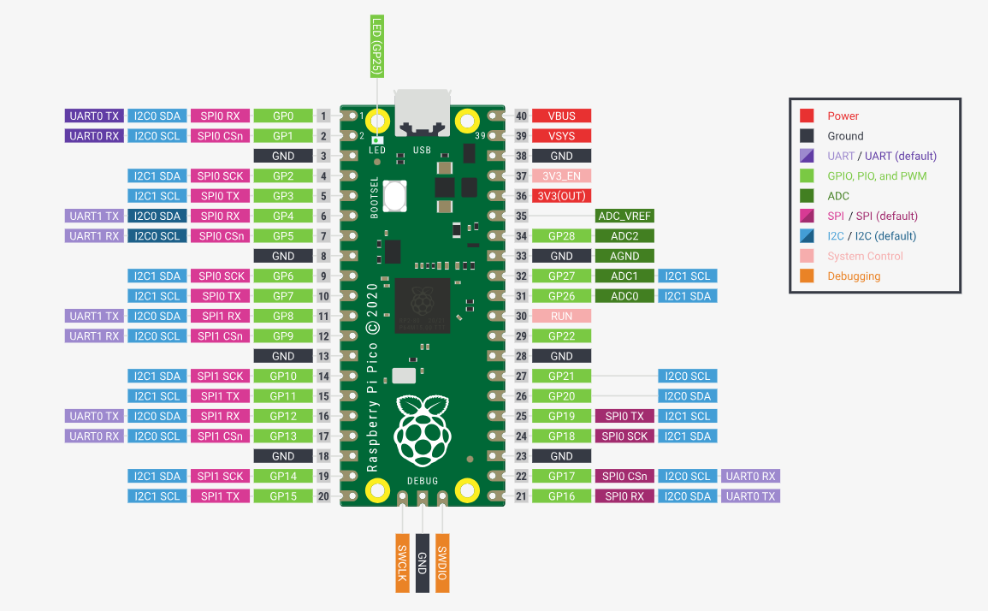
 | SCL | 9 | out
 | SDA | 8 | inout
 | VS | 13 | in
 | HS | 12 | in
 | PLK | 11 | in
 | XLK | 10 | out
 | D0 | 0 | in
 | D1 | 1 | in
 | D2 | 2 | in
 | D3 | 3 | in
 | D4 | 4 | in
 | D5 | 5 | in
 | D6 | 6 | in
 | D7 | 7 | in

spi | MISO(RX) | 16
 | MOSI(TX) | 19
 | SCL | 18
 | CS | 22
 | D/C | 20 |  | 14
 | rst | 21 |  | 15
sdcard | cs | 17 |  | 26
 |  |  |  | 27
 |  |  |  | 28

 |  | 1000,0000,0000,0000,0000,00

